Language
 | Attachment A
 | Superintendent's Memo #048-21
 | 2021-02-26

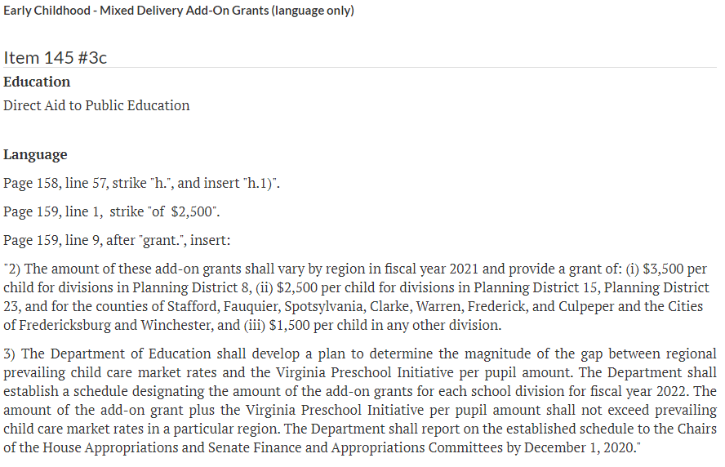

end of sheet

