Instructions
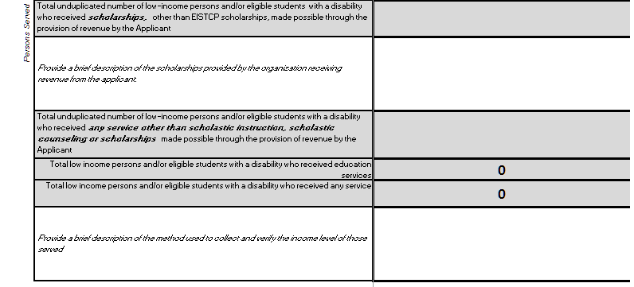
NEIGHBORHOOD ASSISTANCE PROGRAM FOR EDUCATION (NAPE) |  |  |  |  |  |  |  | Instructions Quick Links
2024-2025 APPLICATION |  |  |  |  |  |  |  | Forms Tab
Instructions for the 2024-2025 NEIGHBORHOOD ASSISTANCE PROGRAM FOR EDUCATION (NAPE) Application |  |  |  |  |  |  |  | Tab A General Information
Completed applications for the 2024-2025 Neighborhood Assistance Program for Education must be submitted via email to tax.credits@doe.virginia.gov no later than 5:00pm on May 1, 2024. |  |  |  |  |  |  |  | Tab B Persons Served
No paper applications will be accepted. |  |  |  |  |  |  |  | Tab C Revenue
The application file must be submitted as an excel (xls or xlsx) file format. All other forms, attachments and supporting documents should be submitted as PDF file format. |  |  |  |  |  |  |  | Tab C1 Future Used from Prior Applications
If you need additional assistance, please contact us at tax.credits@doe.virginia.gov |  |  |  |  |  |  |  | Tab C2 Revenue Invested for Future Use
 |  |  |  |  |  |  |  | Tab D Affiliates
 |  |  |  |  |  |  |  | Tab E Organizations Receiving Revenue
Forms Tab
The Forms tab is used to determine which forms and documents your application should include. Based on the answers you provide, a list of forms and documents will be displayed.

 |  |  | An organization that provides these answers would need to include the Forms and Documents below

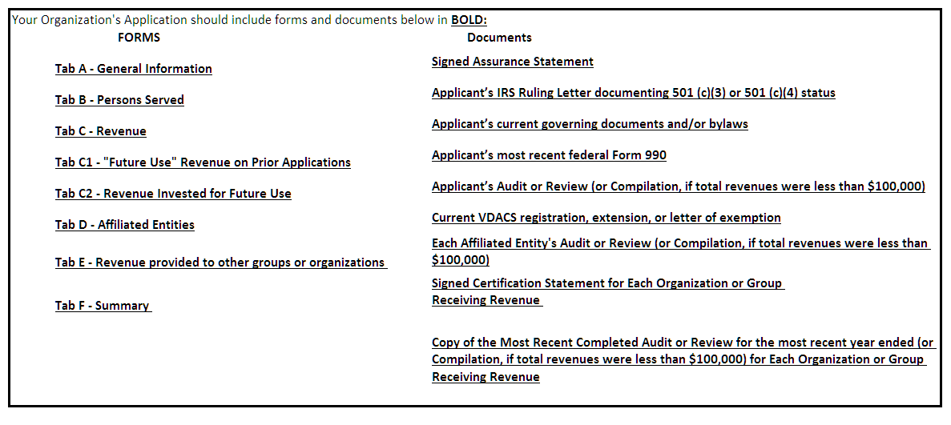

Documents
Signed Assurance Statement
The Assurance Statement, provided as part of the application package, must be signed by the Applicant's President, Executive Director or CEO. The attachment should be submitted as a PDF
Applicant’s IRS Ruling Letter documenting 501 (c)(3) or 501 (c)(4) status
The ruling or determination letter issued by the IRS establishing that your organization meets the requirements of a 501 (c) (3) non profit organization
Applicant’s current governing documents and/or bylaws
The most recent finalized governing documents and/or bylaws of your organization. Draft documents will not be accepted.
Applicant’s most recent federal Form 990
The most recent filled federal tax form 990 for your organization. Draft documents will not be accepted. If the current year 990 has not been filed, provide the 990 for the prior year.
Applicant’s Audit or Review (or Compilation, if total revenues were less than $100,000)
The completed audit, review or compilation for your organization's most recent completed fiscal year. If the most recent audit is not complete, applications may be submitted without an audit as long as the audit is submitted to DOE no later than May 31st. No draft audits will be accepted. If the total revenue the Applicant will report in their financial statements for the most recent fiscal year ended is greater than $100,000, then such financial statements must be either audited or reviewed. For the most recent fiscal year ended, if the total revenue the Applicant will report in their financial statements is $100,000 or less, then such financial statements may be compiled, provided that the compilation is by a firm that is independent and the financial statements do not omit substantially all of the disclosures required by the financial reporting framework.
Current VDACS registration, extension, or letter of exemption
VDAC Registration information can be found at http://cos.va-vdacs.com/cgi-bin/char_search.cgi
Each Affiliated entity's Audit or Review (or Compilation, if total revenues were less than $100,000)
The completed audit, review or compilation for all affiliate entities for their most recent completed fiscal year.
Signed Certification Statement for Each Organization or Group Receiving Revenue
The Organizations Receiving Revenue Certification Statement, provided as part of the application package, must be signed by the CEO, CFO or President of the Organization Receiving Revenue . The attachment should be submitted as a PDF.
Copy of the Most Recent Completed Audit or Review for the most recent year ended (or Compilation, if total revenues were less than $100,000)for Each Organization Receiving Revenue
The completed audit, review or compilation for the most recent completed fiscal year for all organizations or groups who received revenue from the applicant.

Tab A- General Info

The information entered in the general information tab will be used to set up system users, contacts and organization listing for approved organizations.
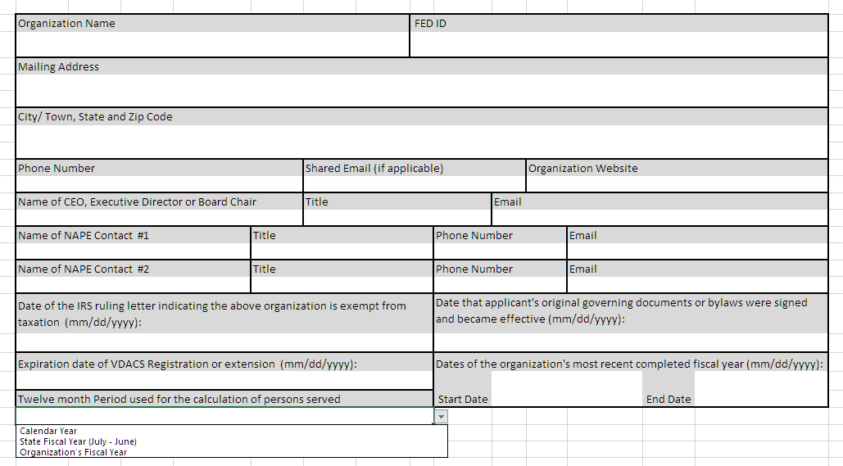

The number of persons served used on your application must be based on a twelve month period. This period can be a calendar year, State Fiscal Year (July 1 - June 30) or your organization's fiscal year. If your application includes revenue provided to other groups or organizations the 12 month period used to calculate persons served MUST BE the Organization's Fiscal Year

Tab B- Persons Served

The information entered in Tab B- Persons Served should include persons served during the twelve month period indicated in Tab A.
Low-income person means an individual whose family's annual household income is not in excess of 300 percent of the federal poverty guidelines, as defined in this subsection below. For purposes of these guidelines, “household income” is based on the U.S. Census Bureau’s definition of income, which is used for computing poverty statistics, and the U.S. Census Bureau’s definition of household.
Eligible student with a disability means a student (i) for whom an individualized educational program has been written and finalized in accordance with the federal Individuals with Disabilities Education Act (IDEA), regulations promulgated pursuant to IDEA, and regulations of the Board of Education and (ii) whose family's annual household income is not in excess of 400 percent of the current poverty guidelines.

All counts should be unduplicated. If a person receives two or more services, only include that person in one of the service categories.
For example, if a person received scholastic instruction and also was provided a scholarship, the applicant should only include the person in either the count of scholastic instruction OR scholarships, but not in both.

Example 1: In this example, all the persons served were low income and/or students with a disability. Since all the persons served were captured in Scholastic instruction, they were not included in the counts for the other service categories.

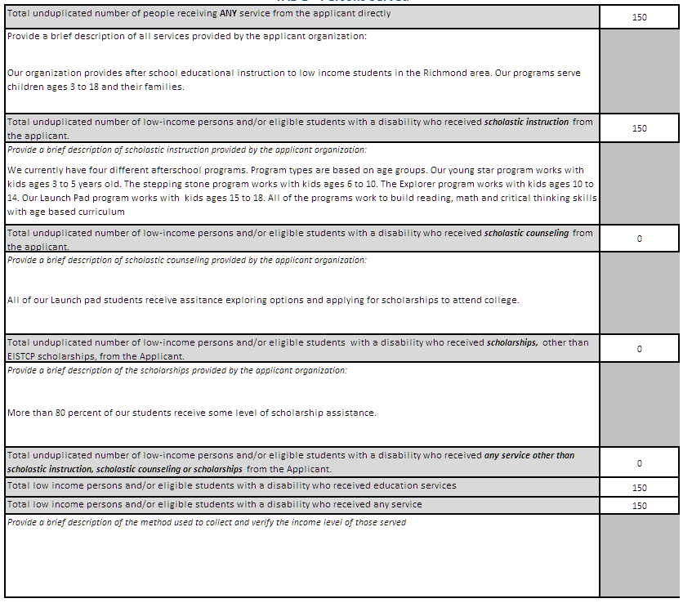
 |  |  |  | This is the total number of persons served with any service, regardless of income or disability status.

 |  |  |  |  |  |  | Please keep descriptions short and concise

 |  |  |  |  |  | Numbers in each category should be unduplicated and should only include low income persons and/or students with a disability

Example 2: In this example, the organization serves a mix of low and non low income persons. Some persons receive scholastic instruction, while others receive scholastic counseling or scholarships.

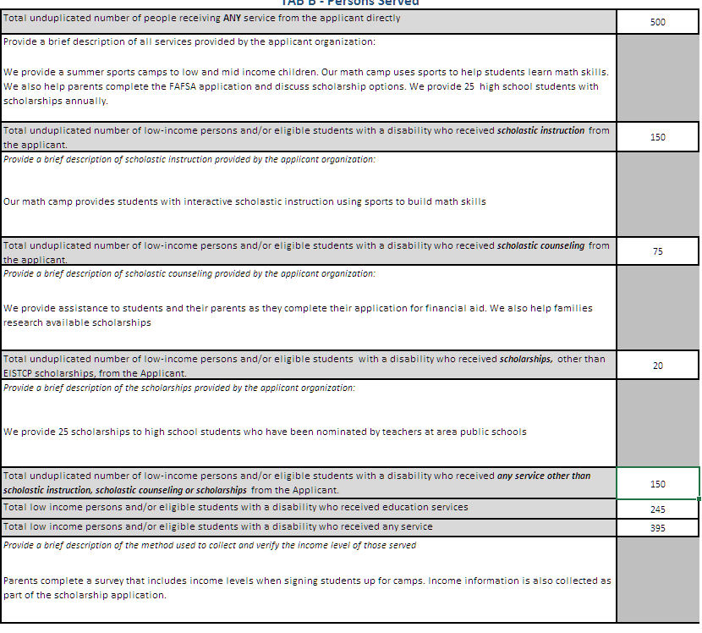

Tab C- Revenue

The information on the revenue tab must be based on the applicant's fiscal year. Total Revenue and total expenses must match the amounts listed in the applicant's audit, review or compiled financial statements

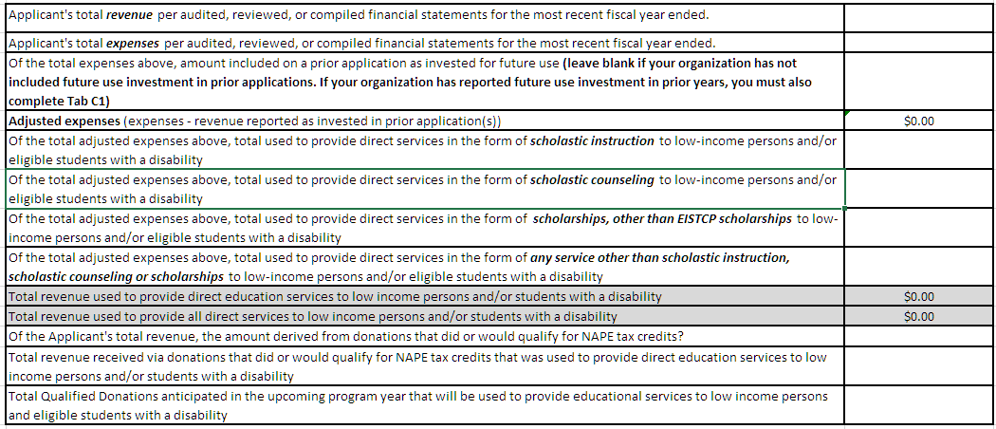
 |  |  |  | Must match amounts in audit, review or compilation

 |  |  |  |  | The amount of revenue that was reported as invested for future use on prior NAPE applications that is now included in expenses during the most recent completed fiscal year. If prior applications included future use investment, your application must also include a completed C1 tab.

 |  |  |  |  | Include the amount of revenue derived from donations that did or would meet the requirements for NAPE tax credits: Donations of cash or marketable securities made by individual donors valued between $500 and $125,000 and Donations of cash, marketable securities, merchandise, rent/ lease agreements and professional services made by a business or trust valued at $616 or more. This amount should NOT include revenue from grants, user fees or any revenue source that would not be eligible for NAPE tax credits.

 | Of amount listed in the cell above, how much was used to provide direct education services to low income persons and or students with a disability

Tab C1- "Future Use" Revenue on Prior Applications

Tab C1 should only be used by returning applicants who on a previous NAPE application indicated that revenue was being invested for future use.
This information would be included on tab C1 of the 2022-2023 and 2023-2024 aplications. For the 2024-2025 NAPE application the information can be found in the Primary Purpose tab, Boxes B23- B26. For years prior to the 2019-2020 application, the information would be found in Table 3.2

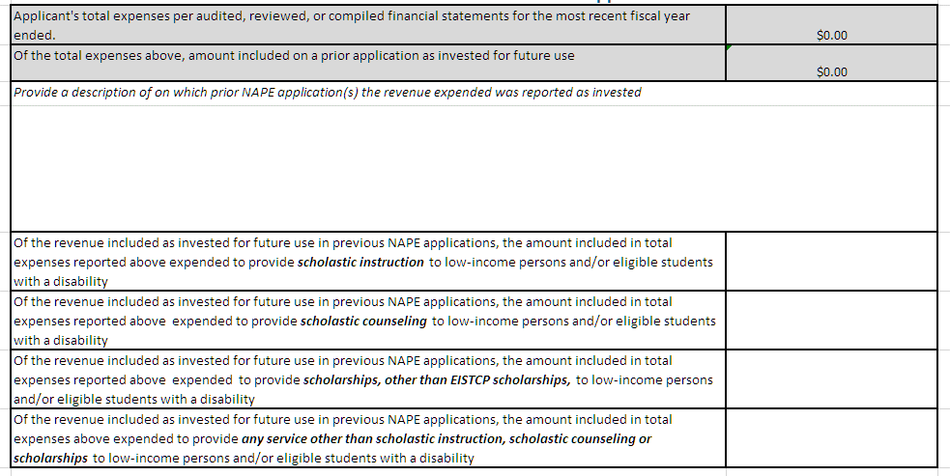
 |  |  |  | These cells will auto populate from Tab C

 |  |  |  | Include a list of which prior applications included the investment which was included as an expense for your most recent fiscal year ended.

Tab C2- Revenue Invested for Future Use

Tab C2 is used to report revenue, not included in expenses, that has been invested during the most recent completed fiscal year to be used in the future to serve low income persons and or students with a disability.



 |  |  |  |  | These cells will auto populate

 |  |  |  |  | The amounts in these cells should be the same

 |  |  |  |  | Use the Investment Detail Table to provide detail about investments made. Select the purpose of investment from the drop down and add a brief description.

Tab D- Affiliated Entities

Complete one table for each affiliate entity. For the purpose of the NAPE Application an Affiliated entity means an entity that, directly or indirectly, controls another entity, is controlled by the other entity, or is under common control with the other entity. For purposes of this definition, "control" (including controlled by and under common control with) means the power, directly or indirectly, to direct or cause the direction of the management and policies of such entity whether through ownership or voting securities or by contract or otherwise.

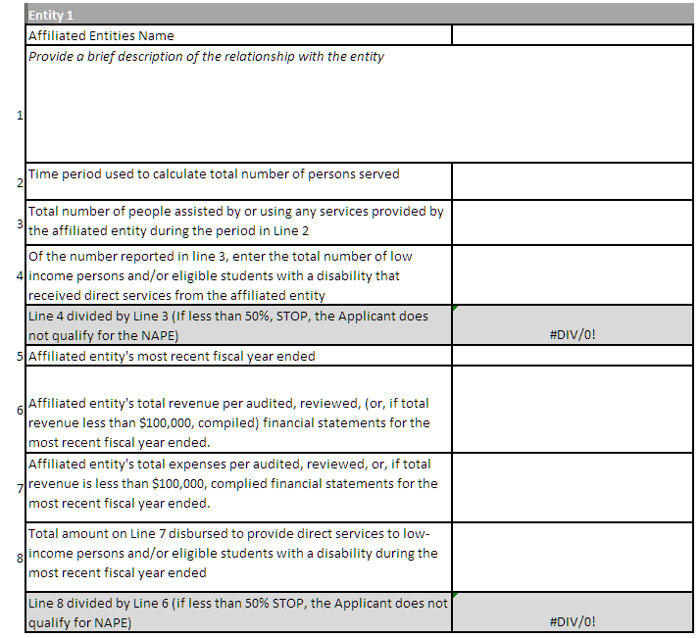

 |  |  | Enter the dates of the affiliated entity's most recent completed fiscal year

 |  | These cells will auto calculate. If the percentage is less than 50% in either cell, the applicant does not qualify for NAPE

TAB E - Organizations Receiving Revenue from NAPE Applicant
The information from this tab should be derived from the signed certification statement that was completed by each organization or group receiving revenue. Do not complete this Tab until you have received the signed certification statement for the group or organization. Complete one column for each organization or group that received revenue from the applicant. The number of columns shown is based on the answer provided on the Forms Tab.

 |  | Complete one column for each organization or group that received revenue from the applicant organization

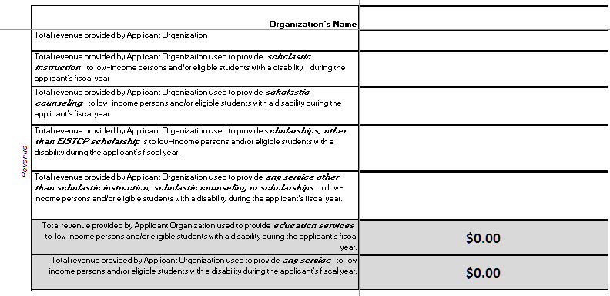
 |  |  |  | Revenue provided by the applicant must be reflected as revenue in the audit, review or compilation of the group or organization receiving revenue. If the revenue was received after the end of the recipient organization’s most recent completed fiscal year, the recipient must certify that it will be included as revenue in their next audit, review or compilation at the completion of this fiscal year

 |  |  |  |  | The amount of revenue used must match the total column of signed certification statements completed by each organization or group receiving revenue.

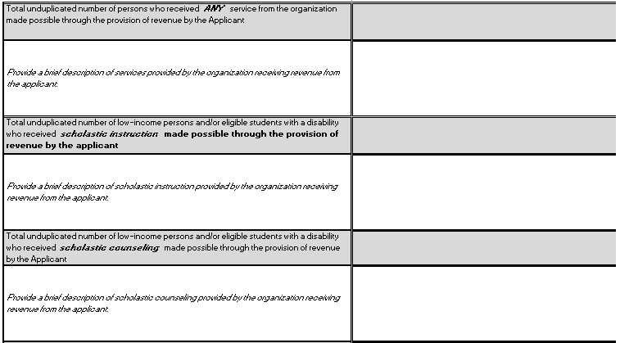

 |  |  |  |  | The counts of persons served must match the counts included on the signed certification statements completed by each organization or group receiving revenue.

